Sheet1
Outside temperature: 9.5 degree
Increased room temperature demand to 30 degrees in MANUAL mode on both circuits
Target temp: 44 degrees
Total time: 5 hours @ max
Elec used: 13.7kwh

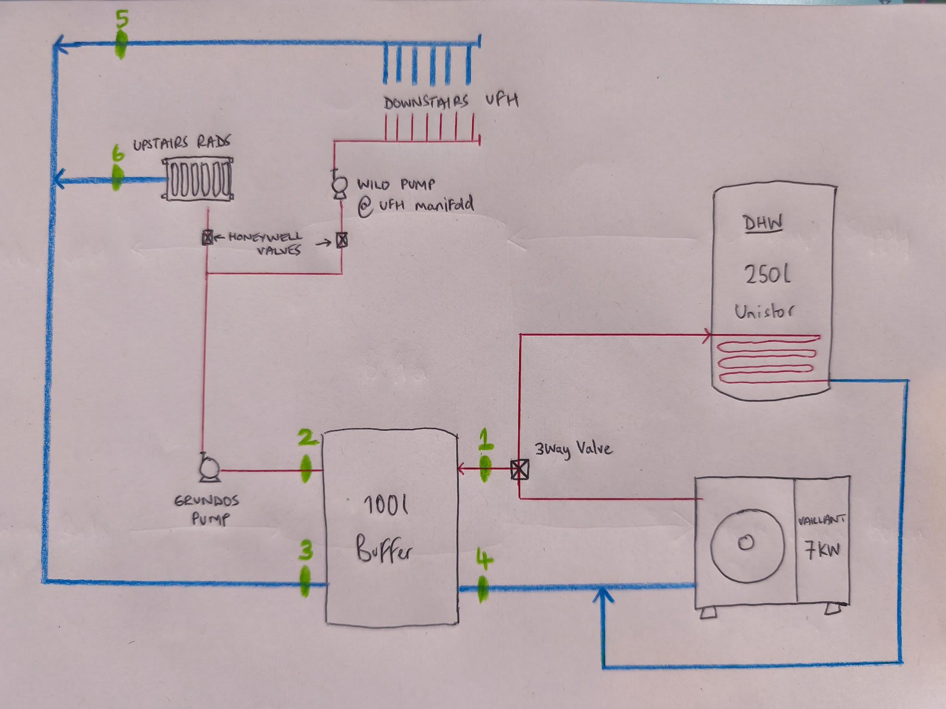

Time | 1. HP to buffer | 2. Buffer to Rads/UFH supply | 3. Rads/UFH return to buffer | 4. Buffer to HP | HP delta T | 5. UFH circuit return temp | 6. Rad circuit return temp | Compressor %
11:50:00 | 27.1 | 26.1 | 23.6 | 25.1 | 2
12:02:00 | 30.2 | 29.4 | 23.9 | 24.9 | 5.3 |  |  | 90
12:08:00 | 32.1 | 31.8 | 24.8 | 25.3 | 6.8 |  |  | 91
12:17:00 | 33.3 | 32.8 | 26.2 | 26.7 | 6.6 |  |  | 91.2
12:26:00 | 33.9 | 33.8 | 26.8 | 27.5 | 6.4 |  |  | 91.9

12:33:00 | HEATING OVERRUN (DEFROST??)
12:34:00 | COMPRESSOR BLOCKED
12:37:00 | PRE-RUN
12:38:00 | COMPRESSOR ACTIVE

12:38:00 | 28.5 | 28.8 | 27.1 | 28.2 | 0.3 | 25.9 | 28.7 | 41
12:46:00 | 33.5 | 33.1 | 26.5 | 27.6 | 5.9 | 25.5 | 28 | 93
12:53:00 | 34.5 | 34.4 | 26.9 | 27.8 | 6.7 | 25.8 | 28.9 | 92.8
13:00:00 | 35 | 34.9 | 27.6 | 28.5 | 6.5 | 26.3 | 29.6 | 93.8
13:12:00 | 35.6 | 35.6 | 28.5 | 29.2 | 6.4 | 26.7 | 30.5 | 91.6
13:27:00 | 36.3 | 36.1 | 28.9 | 29.8 | 6.5 | 27.2 | 31.1 | 90

13:55:00 | As the compressor was modulating down as it got closer to the target temp I increased the weather curve from 0.4 to max 4. This gave me a new target temp of 45 degrees (previous was 44 degrees).
 | I realised this was limited in the max flow temp setting and increased this to 55 degrees for testing. New target temp changed to 55 degrees.
 | At this point I also measured the delta T across the UFH circuits and had an average of 7.36 degrees which I thought was high so increased both buffer and UFH manifold pumps to max to target a 5 degree delta T across circuits

Time | 1. HP to buffer | 2. Buffer to Rads/UFH supply | 3. Rads/UFH return to buffer | 4. Buffer to HP | HP delta T | 5. UFH circuit return temp | 6. Rad circuit return temp | Compressor %
13:58:00 | 37.1 | 37.1 | 29.7 | 30.6 | 6.5 | 28 | 31.9 | 90
14:27:00 | 37.6 | 37.5 | 30.1 | 31.2 | 6.4 | 28.6 | 32.5 | 90
15:21:00 | 38.5 | 38 | 30.8 | 31.9 | 6.6 | 30.1 | 32.6 | 92
15:34:00 | 38.6 | 38.3 | 30.8 | 32.1 | 6.5 | 30.2 | 32.7 | 92
16:07:00 | 39.8 | 38.5 | 32 | 33.3 | 6.5 | 30.9 | 33.9 | 94
16:41:00 | 40.5 | 39.2 | 32.6 | 33.8 | 6.7 | 31.5 | 34.3 | 95

